Sheet1
Cavitating Venturi Analysis
 | Basic Information |  |  |  |  | Pintle Injector
 | Ox Tank Pressure: | 800 | Psi |  |  | Ox Pintle |  | Fuel Annulus
 |  | 5515805.8345 | Pa |  |  |  |  | Input only 1 of 'Design' Parameters for fixed mass flow rate
 | Fuel Tank Pressure: | 800 | Psi |  |  |  |  | Design Injection Velocity: | 20 | m/s
 |  | 5515805.8345 | Pa |  |  |  |  | Design Pressure Drop: |  | kPa
 | Ox Mass Flow: | 0.8 | kg/s |  |  |  |  | Design Area: |  | m2
 | Fuel Mass Flow: | 0.267 | kg/s

Generally, pressure losses in fluid systems are classically divided into two major categories: 1. major head loss, which refers to frictional losses in straight pipes and 2. minor head loss, which refers to other fluid components like bends, valves, fittings, etc. that also cause frictional losses in the flow. There exist lots of possible ways to write the same basic equations, but in order to allow comparison between major and minor head losses, the convention denoted in the following diagram will be used. This formula allows for easy summation of all lossy components on the fluid path.
Once the Reynolds number of the flow is found, a Moody Chart can be used to determine the friction factor assuming an appropriate surface roughness of the pipe. Using the Nitrous Oxide line as an example, we calculate a Reynolds number of about 5340 and assume a relative pipe roughness of around 0.000025/0.01905 = 1.3e-3. From the Moody Chart, an appropriate friction factor is around 0.04.
Feed System Analysis
 |  |  |  | Reynolds Number Calculation
 |  |  |  | Ox (Nitrous oxide) |  |  |  | Ethanol
 |  |  |  | Density (tank conditions): | 784.94295339 | kg/m3 |  | Density (tank conditions): | 793.25631553 | kg/m3
 |  |  |  | Dyn. Visc: | 0.055982182703 | Pa-s |  | Dyn. Visc: | 0.0012093039106 | Pa-s
 |  |  |  | Tube Diameter: | 0.75 | in |  | Tube Diameter: | 0.5 | in
 |  |  |  |  | 0.01905 | m |  |  | 0.0127 | m
 |  |  |  | Velocity: | 6 | m/s |  | Velocity: | 6 | m/s
 |  |  |  | Calculated Reynolds Number: | 1602.6345391 | Dimless |  | Calculated Reynolds Number: | 49984.23532 | Dimless

 |  |  |  | Friction Factor Calculation
 |  |  |  | Epsilon: | 0.000025 | m |  | Epsilon: | 0.000025 | m
 |  |  |  | Relative roughness: | 0.001312335958 | Dimless |  | Relative roughness: | 0.001968503937 | Dimless
 |  |  |  | Calculated Friction Factor: | 0.039934244795 | Dimless |  | Calculated Friction Factor: | 0.02643473392 | Dimless

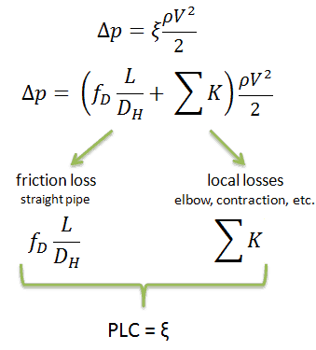
 |  |  |  | Ox Fluid Components |  |  |  | Ethanol Fluid Components
 |  |  |  | Straight Tube | Total Length: | 0.5 | m | Straight Tube | Total Length: | 0.5 | m
 |  |  |  |  | Diameter: | 0.01905 | m |  | Diameter: | 0.0127 | m
 |  |  |  |  | Friction Factor: | 0.039934244795 | Dimless |  | Friction Factor: | 0.02643473392 | Dimless
 |  |  |  |  | Total PLC due to Friction: | 1.048142908 | Dimless |  | PLC: | 1.0407375559 | Dimless

There appear to be more than one method of calculating the pressure losses in bends. Be sure you understand which method is being used. The method used here is outlined in the Aerospace Fluid Component Designer's Handbook (1964) page 98. The calculation of friction factors for turbulent flow in curved pipes is taken from: https://sci-hub.se/10.1115/1.4008390
The friction factor deals with frictional losses, while the additional minor head loss term accounts for the loss in energy due to directional changes in the flow. The values of K can be reasonably approximated from the second sheet in this workbook.
Note: it appears as though you can either use one pipe length value for the entire pipe length (including bends) and place this under the "straight tube" category, and then only use a K value for the "bend" category; however, the friction factor changes within a bend, which is why we separate them.
 |  |  |  | Bends | Equivalent Length: | 0.1 | m | Bends | Equivalent Length: | 0.1 | m
 |  |  |  |  | Bend Radius: | 0.05 | m |  | Bend Radius: | 0.05 | m
 |  |  |  |  | Diameter: | 0.01905 | m |  | Diameter: | 0.0127 | m
 |  |  |  |  | Re*(r/R)^2: | 58.160008081 | Dimless |  | Re*(r/R)^2: | 806.19573148 | Dimless
 |  |  |  |  | Within Acceptable Range |  |  |  | Not In Acceptable Range
 |  |  |  |  | Calculated Friction Factor: | 0.060704282954 |  |  | N/A | N/A
 |  |  |  |  | N/A | N/A |  |  | Calculated Friction Factor: | 0.029532542948
 |  |  |  |  | R/D Value: | 2.624671916 | Dimless |  | R/D Value: | 3.937007874 | Dimless
 |  |  |  |  | K Value (90 deg bend): | 0.3 | Dimless |  | K Value (90 deg bend): | 0.3 | Dimless
 |  |  |  |  | Total PLC due to Bends: | 0.6186576533 | Dimless |  | PLC: | 0.53253970825 | Dimless

 |  |  |  | Other Losses |  |  |  | Other Losses
 |  |  |  | Ball Valves | Individual PLC: | 0.08 | Dimless | Ball Valves | Individual PLC: | 0.08 | Dimless
 |  |  |  |  | Number of components: | 2 | Dimless |  | Number of components: | 2 | Dimless
 |  |  |  |  | PLC: | 0.16 | Dimless |  | PLC: | 0.16 | Dimless
 |  |  |  | Entrance Losses | PLC: | 0.23 | Dimless | Entrance Losses | PLC: | 0.23 | Dimless
 |  |  |  | Dynamic Pressure Loss | PLC: | 1 | Dimless | Dynamic Pressure Loss | PLC: | 1 | Dimless

 |  |  |  | Total PLC: | 3.0568005613 | Dimless |  | Total PLC: | 2.9632772642 | Dimless
 |  |  |  | Calculated Total Pressure Loss: | 43189.453089 | Pa |  | Calculated Total Pressure Loss: | 42311.491281 | Pa
 |  |  |  |  | 6.2641005699 | Psi |  |  | 6.1367629753 | Psi

K-value table
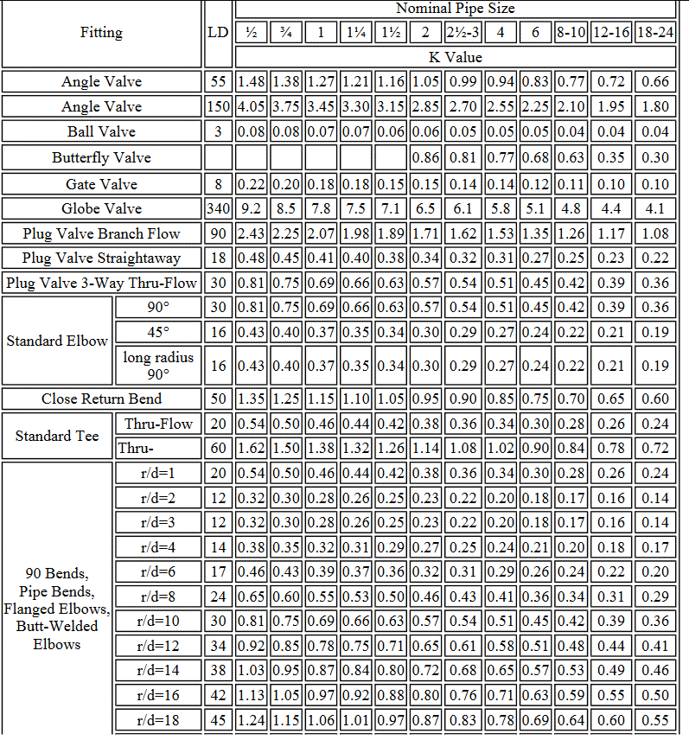
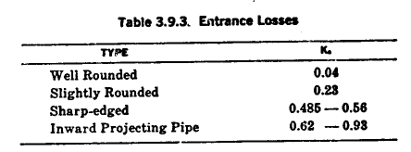

Moody Chart
